2.1
2.1.1: Proportion of 0-17 year olds and 18-24 year olds in the total population, 2021 |  |  |  |  |  | Extraction date: | 22.06.2022
Eurostat, demo_pjan

 |  | 0-17 year-olds | 18-24 year-olds | 0-24 year-olds
 | IT | 15.8 | 6.9 | 22.7
 | BG | 17.2 | 6.2 | 23.4
 | MT | 15.9 | 7.6 | 23.5
 | DE | 16.5 | 7.4 | 23.9
 | PT | 16.5 | 7.6 | 24.1
 | SI | 17.7 | 6.7 | 24.4
 | ES | 17.4 | 7.1 | 24.5
 | EL | 17.2 | 7.4 | 24.6
 | HR | 17.1 | 7.7 | 24.9
 | AT | 17.3 | 7.7 | 24.9
 | HU | 17.5 | 7.4 | 24.9
 | LT | 17.8 | 7.3 | 25.1
 | CZ | 18.9 | 6.3 | 25.1
 | LV | 18.9 | 6.2 | 25.2
 | PL | 18.3 | 7.1 | 25.4
 | EU-27 | 18.2 | 7.5 | 25.6
 | SK | 18.8 | 7.1 | 25.9
 | EE | 19.4 | 6.5 | 26.0
 | RO | 19.0 | 7.3 | 26.3 |  |  |  |  | DEPP, Education in Europe: Key figures 2022.
 | FI | 18.8 | 7.7 | 26.5
 | LU | 19.1 | 8.2 | 27.3
 | NL | 18.9 | 8.8 | 27.8
 | BE | 20.1 | 8.0 | 28.1
 | CY | 19.1 | 9.2 | 28.3
 | DK | 19.7 | 8.8 | 28.5
 | SE | 21.1 | 7.8 | 28.8
 | FR | 21.4 | 8.2 | 29.6
 | IE | 23.9 | 8.7 | 32.6

2.1.2: Total fertility rate, 2020 |  |  |  |  |  |  | Extraction date: | 22.06.2022
Eurostat, demo_find

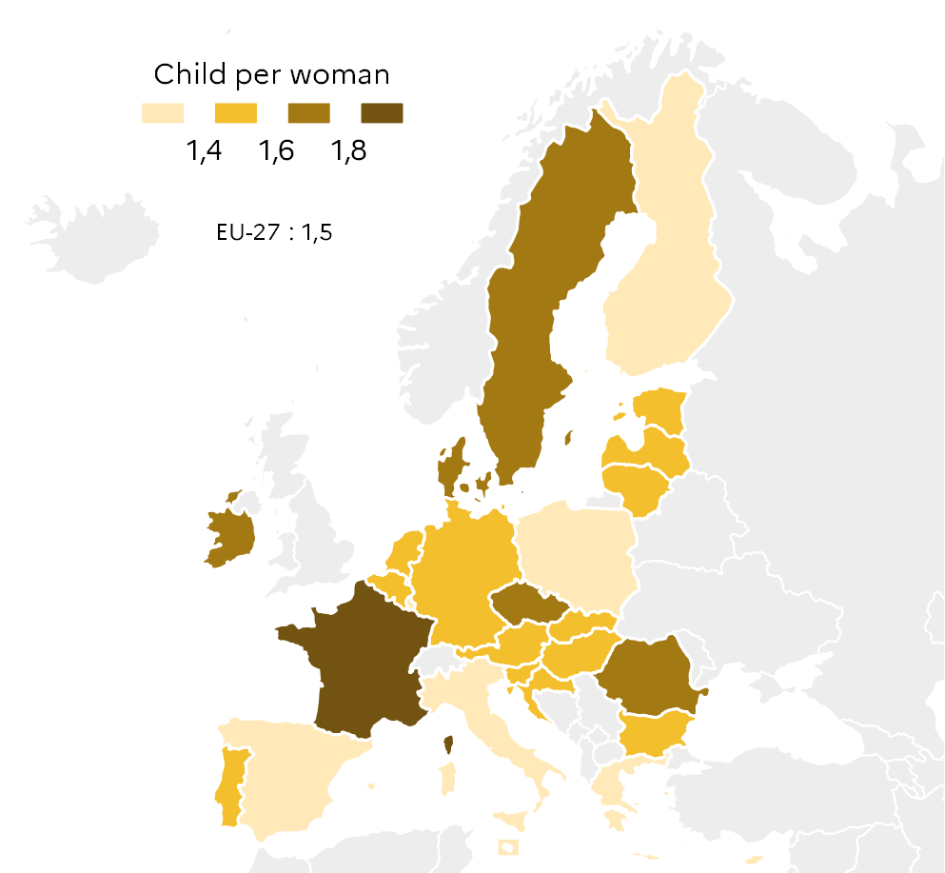
 |  | 2020
 | EU-27 | 1.50
 | BE | 1.55
 | BG | 1.56
 | CZ | 1.71
 | DK | 1.68
 | DE | 1.53
 | EE | 1.58
 | IE | 1.63
 | EL | 1.39
 | ES | 1.19
 | FR | 1.83
 | HR | 1.48
 | IT | 1.24
 | CY | 1.36
 | LV | 1.55
 | LT | 1.48
 | LU | 1.36
 | HU | 1.59
 | MT | 1.13
 | NL | 1.54
 | AT | 1.44
 | PL | 1.39
 | PT | 1.41
 | RO | 1.80
 | SI | 1.59
 | SK | 1.59
 | FI | 1.37
 | SE | 1.67 |  |  | DEPP, Education in Europe: Key figures 2022.

2.1.3: Natural population change and net migration between 2015 and 2020 |  |  |  |  |  |  | Extraction date: | 22.06.2022
Eurostat, demo_gind

 |  | Natural change | Net migration plus statistical adjustment | Total population change
 | MT | 16.4 | 1.0 | 16.6
 | LU | 10.1 | 2.1 | 11.7
 | IE | 3.1 | 3.8 | 6.9
 | SE | 5.1 | 1.4 | 6.3
 | CY | 3.3 | 2.5 | 5.7
 | AT | 4.0 | 0.1 | 4.0
 | NL | 2.8 | 0.6 | 3.4
 | DK | 2.4 | 0.7 | 3.1
 | BE | 2.5 | 0.3 | 2.8
 | DE | 3.6 | -1.2 | 2.4
 | SI | 2.5 | -0.3 | 2.2
 | ES | 2.7 | -0.6 | 2.0
 | FR | 0.4 | 1.4 | 1.8
 | CZ | 1.7 | -0.1 | 1.5
 | EE | 1.9 | -0.7 | 1.2
 | FI | 1.6 | -0.5 | 1.1
 | EU-27 | 1.6 | -0.6 | 0.9
 | SK | 0.4 | 0.3 | 0.7
 | PL | 0.1 | -0.6 | -0.4
 | PT | 0.8 | -1.5 | -0.7
 | HU | 1.1 | -2.3 | -1.3
 | EL | 0.3 | -2.0 | -1.7
 | IT | 0.4 | -2.0 | -1.7
 | RO | -1.5 | -1.9 | -3.4
 | BG | 0.1 | -4.1 | -4.0
 | LT | -1.8 | -2.5 | -4.4
 | HR | -2.1 | -2.4 | -4.5
 | LV | -2.1 | -2.6 | -4.8 |  |  |  |  |  | DEPP, Education in Europe: Key figures 2022.

2.1.4: Change in the population of 0-24 year olds and in the total population, according to reference projections between 2020 and 2040 |  |  |  |  |  |  |  |  |  | Extraction date: | 22.06.2022
Eurostat, proj_19np

 |  | Total population change | Change in the 0-24 year olds population
 | LV | -19.48 | -23.42
 | LT | -16.26 | -24.44
 | RO | -14.24 | -22.97
 | BG | -13.45 | -14.20
 | HR | -10.98 | -21.84
 | EL | -7.54 | -19.34
 | PL | -6.05 | -19.36
 | PT | -4.95 | -13.46
 | EE | -3.57 | -11.45
 | HU | -3.36 | -6.90
 | SK | -2.66 | -10.03
 | FI | -1.79 | -17.78
 | IT | -0.45 | -13.36
 | SI | -0.68 | -8.74
 | CZ | -0.64 | 0.27
 | EU-27 | -0.13 | -8.02
 | DE | 0.01 | 1.73
 | BE | 3.23 | -5.87
 | FR | 3.69 | -6.02
 | DK | 4.00 | -1.94
 | ES | 4.32 | -10.05
 | AT | 4.40 | -0.18
 | NL | 4.47 | -4.07 |  |  | DEPP, Education in Europe: Key figures 2022.
 | SE | 13.22 | 9.22
 | CY | 14.06 | 4.58
 | LU | 18.05 | 1.81
 | IE | 18.94 | 0.89
 | MT | 23.39 | 10.11

2.2
2.2.1: Students by education level, as a proportion of the total population of each country, 2019-2020 |  |  |  |  |  |  |  | Extraction date: 15.09.22
Eurostat, UOE data collection, educ_uoe_enra04

 |  | ISCED 02 | ISCED 1 | ISCED 2 | ISCED 3
 | MT | 1.9 | 5.3 | 2.6 | 3.4
 | BG | 3.1 | 3.6 | 2.9 | 3.9
 | EL | 1.5 | 5.8 | 3.1 | 3.2
 | HR | 2.7 | 3.9 | 4.3 | 3.7
 | AT | 3.0 | 3.9 | 3.8 | 3.9
 | IT | 2.4 | 4.6 | 3.0 | 4.8
 | RO | 2.7 | 4.7 | 3.7 | 3.7
 | DE | 3.0 | 3.6 | 5.4 | 2.9
 | HU | 3.3 | 3.7 | 4.0 | 4.2
 | PT | 2.4 | 5.8 | 3.4 | 3.8
 | SK | 3.2 | 4.3 | 4.8 | 3.3
 | CY | 2.8 | 6.7 | 3.2 | 3.1
 | PL | 3.7 | 3.5 | 4.6 | 4.3
 | LT | 3.8 | 4.2 | 5.9 | 2.1
 | SI | 2.9 | 6.4 | 2.8 | 4.2
 | ES | 2.7 | 6.4 | 3.6 | 3.7
 | CZ | 3.5 | 5.3 | 4.1 | 3.7
 | LV | 4.3 | 6.3 | 3.0 | 3.1
 | EU-27 | 3.5 | 5.2 | 4.2 | 4.0 |  |  |  | DEPP, Education in Europe: Key figures 2022.
 | LU | 2.9 | 6.4 | 3.7 | 4.2
 | EE | 5.0 | 6.7 | 3.2 | 3.4
 | NL | 2.8 | 6.7 | 4.4 | 4.8
 | FR | 3.7 | 6.4 | 5.1 | 4.0
 | FI | 3.8 | 6.8 | 3.4 | 5.9
 | DK | 3.1 | 7.8 | 4.2 | 4.9
 | BE | 3.8 | 7.1 | 3.8 | 6.4
 | SE | 4.6 | 8.6 | 3.9 | 5.3
 | IE | 2.4 | 11.5 | 4.3 | 4.6

2.2.1: Distribution of 15-19 year olds by education or labour status, 2021
OECD, labour force survey EU-LFS, stat.oecd

 |  | Studies and employment | Studies | Employment | NEET
 | SE | 10.5 | 64.2 | 11.0 | 14.3
 | IT | 0.3 | 84.9 | 2.3 | 12.5
 | NL | 48.0 | 30.5 | 12.6 | 8.9
 | PL | 2.6 | 88.4 | 1.5 | 7.5
 | ES | 1.4 | 89.2 | 1.9 | 7.4
 | EE | 6.6 | 84.6 | 1.9 | 7.0
 | HU | 0.8 | 88.8 | 3.5 | 6.9
 | AT | 23.7 | 64.3 | 5.4 | 6.6
 | FR | 7.7 | 82.7 | 3.0 | 6.6
 | EU-22 | 9.8 | 81.0 | 3.6 | 6.3
 | BE | 5.1 | 88.0 | 1.5 | 5.3
 | DE | 21.3 | 68.7 | 4.8 | 5.2
 | SI | 1.9 | 91.0 | 2.0 | 5.1
 | LT | 2.3 | 90.3 | 2.6 | 4.9
 | IE | 11.2 | 80.5 | 3.4 | 4.9
 | FI | 17.0 | 73.0 | 5.2 | 4.8
 | DK | 29.9 | 60.7 | 4.5 | 4.8
 | EL | 0.6 | 94.5 | 0.8 | 4.1
 | CZ | 1.2 | 92.6 | 2.3 | 3.9 | Note: Data for Luxembourg and Slovakia are not available.
 | PT | 1.7 | 91.6 | 2.8 | 3.9
 | LV | 2.2 | 95.0 | 1.1 | 1.6 |  |  |  | DEPP, Education in Europe: Key figures 2022.

2.2.3: Participation rates of 20-24 year olds' in higher education, 2019-2020 |  |  |  |  |  |  | Extraction date: 20.06.22
Eurostat, UOE data collection, educ_uoe_enrt08

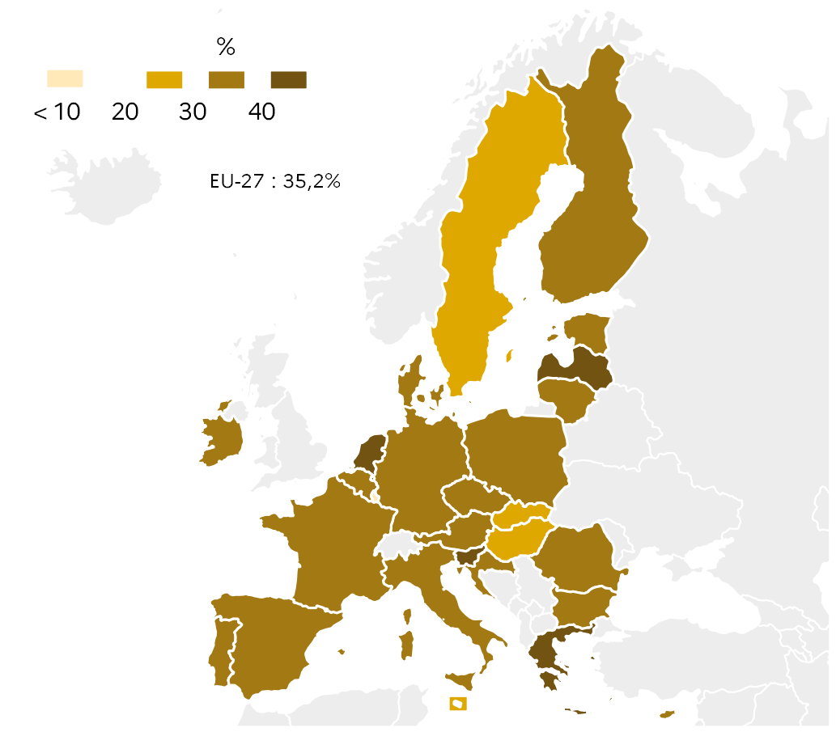
 |  | %
 | EU-27 | 35.2
 | BE | 39.9
 | BG | 37.3
 | CZ | 37.4
 | DK | 37.9
 | DE | 31.7
 | EE | 30.1
 | IE | 36.3
 | EL | 45.1
 | ES | 39.4
 | FR | 35.5
 | HR | 39.4
 | IT | 34.2
 | CY | 31.1
 | LV | 40.7
 | LT | 38.2
 | LU | 8.5
 | HU | 27.4
 | MT | 21.1
 | NL | 40.8
 | AT | 30.3
 | PL | 39.8
 | PT | 33.2
 | RO | 30.2
 | SI | 43.9
 | SK | 28.8
 | FI | 35.2
 | SE | 27.8 |  |  |  | DEPP, Education in Europe: Key figures 2022.

2.2.4: Participation rates of 30-34 year olds' in higher education, 2019-2020 |  |  |  |  |  |  | Extraction date: 20.06.22
Eurostat, UOE data collection, educ_uoe_enrt08

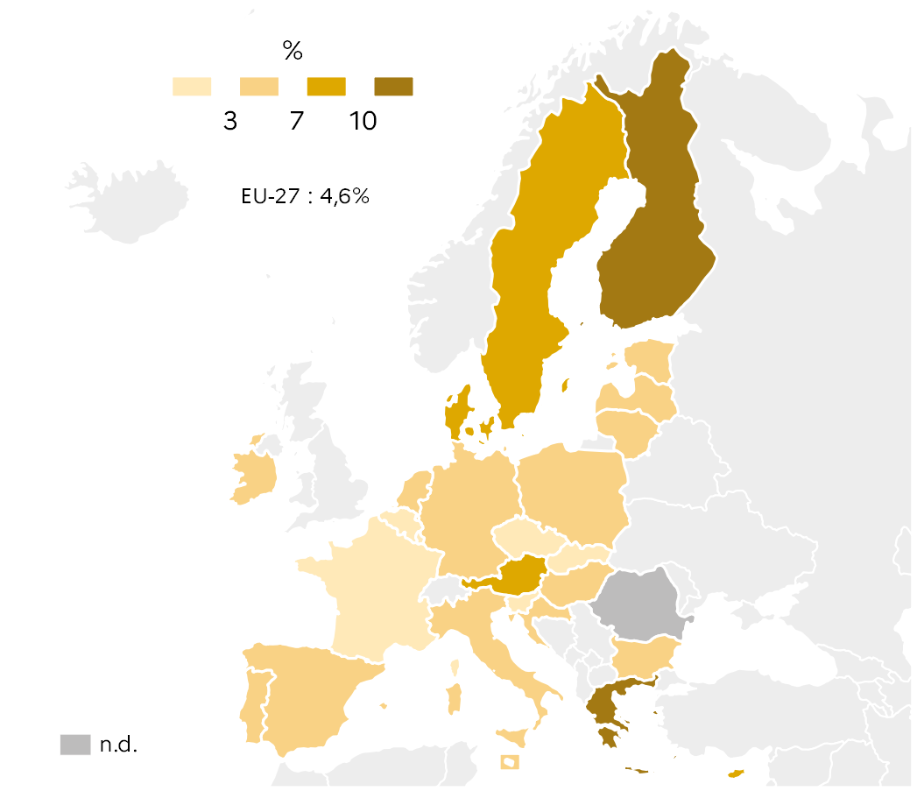
 |  | 30-34 ans
 | EU-27 | 4.6
 | BE | 2.6
 | BG | 4.0
 | CZ | 2.5
 | DK | 7.4
 | DE | 6.4
 | EE | 5.7
 | IE | 4.3
 | EL | 12.4
 | ES | 5.3
 | FR | 2.0
 | HR | 3.3
 | IT | 4.0
 | CY | 8.0
 | LV | 6.7
 | LT | 3.7
 | LU | 1.6
 | HU | 3.1
 | MT | 3.3
 | NL | 5.2
 | AT | 7.2
 | PL | 3.1
 | PT | 3.6
 | SI | 2.3
 | SK | 1.6
 | FI | 10.4
 | SE | 7.9
 |  |  |  | Note: Data for Romania are not available.

 |  |  |  |  |  | DEPP, Education in Europe: Key figures 2022.

2.3
2.3.1: Students enrolled in a higher education programme abroad by country of origin, 2019-2020
UNESCO, UOE data collection, data.uis.unesco.org

 |  | 2020
 | MT | 1,211
 | SI | 3,288
 | EE | 3,524
 | LV | 5,025
 | DK | 6,041
 | HR | 10,003
 | LT | 10,278
 | FI | 10,946
 | CZ | 12,195
 | LU | 12,709
 | HU | 13,706
 | SE | 15,092
 | IE | 15,183
 | BE | 17,168
 | NL | 19,285
 | PT | 22,807
 | AT | 23,998
 | BG | 25,185 |  |  |  |  |  |  | DEPP, Education in Europe: Key figures 2022.
 | CY | 25,978
 | PL | 26,495
 | SK | 30,901
 | RO | 31,486
 | EL | 40,395
 | ES | 46,994
 | IT | 84,449
 | FR | 108,654
 | DE | 123,512

2.3.2: Share of internationally mobile students enrolled in higher education programmes in Europe by ISCED level, 2019-2020
OECD, UOE data collection, Education at a glance 2022, table B6.1

 |  | ISCED 6 | ISCED 7 | ISCED 8
 | EL | 3 | 1 | 2
 | LT | 4 | 12 | 7
 | PL | 4 | 5 | 8
 | LV | 11 | 27 | 12
 | IT | 2 | 4 | 16
 | ES | 2 | 11 | 19
 | SI | 7 | 9 | 20
 | CZ | 12 | 18 | 22
 | DE | 7 | 17 | 23
 | EU-22 | 6 | 13 | 24
 | FI | 6 | 10 | 25
 | EE | 8 | 18 | 26
 | BE | 7 | 20 | 33
 | PT | 8 | 14 | 33
 | IE | 7 | 23 | 36
 | SE | 3 | 12 | 36
 | DK | 6 | 20 | 36
 | AT | 19 | 23 | 37 |  |  |  |  |  |  | DEPP, Education in Europe: Key figures 2022.
 | FR | 7 | 13 | 38
 | NL | 11 | 19 | 48

2.3.3: Distribution of internationally mobile students enrolled in higher education by field of study, 2019-2020
Eurostat, UOE data collection, educ_uoe_mobs04

 |  | Social sciences, journalism and information | Business, administration and law | Natural sciences, mathematics and statistics | Information and communication technologies | Engineering, manufacturing and construction | Health and welfare | STEM
 | RO | 7.2 | 16.2 | 1.7 | 3.6 | 11.9 | 43.7 | 17.2
 | PL | 14.9 | 25.5 | 3.4 | 5.8 | 8.7 | 15.9 | 17.9
 | BE | 12.6 | 12.5 | 5.7 | 1.9 | 12.0 | 31.6 | 19.6
 | HU | 11.1 | 9.0 | 3.7 | 5.5 | 10.5 | 27.2 | 19.7
 | ES | 11.7 | 25.8 | 5.2 | 2.6 | 12.1 | 21.9 | 19.9
 | PT | 12.7 | 24.5 | 5.0 | 2.4 | 20.1 | 12.5 | 27.5
 | IT | 12.1 | 14.9 | 5.8 | 1.5 | 21.1 | 9.0 | 28.4
 | CZ | 10.2 | 20.8 | 8.1 | 11.2 | 12.8 | 18.2 | 32.1
 | FR | 10.2 | 29.0 | 13.2 | 6.0 | 15.9 | 6.6 | 35.1
 | FI | 4.1 | 22.7 | 5.9 | 18.5 | 18.8 | 11.4 | 43.2
 | SE | 13.0 | 11.5 | 14.2 | 6.8 | 25.2 | 11.0 | 46.2
 | DE | 7.5 | 17.9 | 10.8 | 10.0 | 28.4 | 7.2 | 49.2

 |  |  |  |  |  |  |  |  |  | Note: Countries are ranked in ascending order of the cumulative proportions of students in natural sciences, ICT and engineering, which are grouped under the STEM acronym.

 |  |  |  |  |  |  |  |  |  |  |  | DEPP, Education in Europe: Key figures 2022.

2.4
2.4.1: Early childhood education and care (ECEC) systems in Europe, ISCED 0 and outside ISCED
Eurydice, Key data on Early childhood education and care in Europe 2019

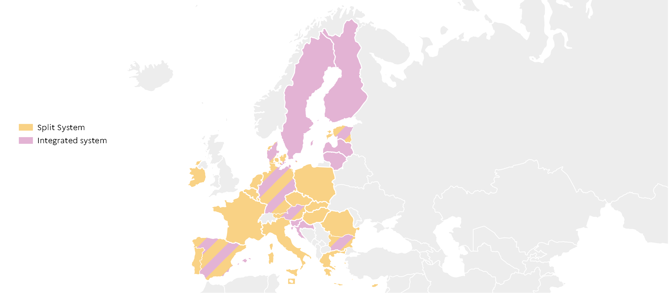
 |  | Type
 | BE | Split
 | BG | Split + integrated
 | CZ | Split
 | DK | Split + integrated
 | DE | Split + integrated
 | EE | Split + integrated
 | IE | Split
 | EL | Split
 | ES | Split + integrated
 | FR | Split
 | HR | Integrated
 | IT | Split
 | CY | Split
 | LV | Integrated
 | LT | Integrated
 | LU | Split
 | HU | Split
 | MT | Split
 | NL | Split
 | AT | Split + integrated
 | PL | Split
 | PT | Split
 | RO | Split
 | SI | Integrated
 | SK | Split
 | FI | Integrated
 | SE | Integrated
 |  |  |  |  |  | DEPP, Education in Europe: Key figures 2022.

2.4.2: Participation rates in ECEC in Europe, 2020 |  |  |  |  |  |  | Extraction date: 12.07.2022
Eurostat, survey on income and living conditions EU-SILC, ilc_caindformal ; UOE data collection, educ_uoe_enra21

 |  |  |  |  |  |  | EU-27 |  | BE |  | BG |  | CZ |  | DK |  | DE |  | EE |  | IE |  | EL
 |  |  |  | Under 3 | 0 | 32.3 | 93.0 | 54.6 | 98.5 | 15.0 | 80.1 | 4.8 | 85.8 | 67.7 | 97.6 | 16.4 | 93.7 | 26.7 | 91.9 | 22.9 | 100.0 | 21.5 | 71.3
 |  | Under 3 | 3 year-olds and over
 | EU-27 | 32.3 | 93.0
 | BE | 54.6 | 98.5
 | BG | 15.0 | 80.1
 | CZ | 4.8 | 85.8
 | DK | 67.7 | 97.6
 | DE | 16.4 | 93.7
 | EE | 26.7 | 91.9
 | IE | 22.9 | 100.0
 | EL | 21.5 | 71.3
 | ES | 45.5 | 97.2
 | FR | 57.2 | 100.0
 | HR | 20.4 | 78.8
 | CY | 20.7 | 91.1
 | LV | 26.3 | 94.0
 | LT | 16.2 | 90.9
 | LU | 63.2 | 89.5
 | HU | 10.5 | 92.8
 | MT | 29.7 | 89.1
 | NL | 67.6 | 91.7
 | AT | 21.1 | 89.7
 | PL | 11.2 | 90.8
 | PT | 53.0 | 92.9
 | RO | 6.8 | 78.2
 | SI | 44.3 | 92.6
 | SK | 4.8 | 78.1
 | FI | 39.6 | 90.9
 | SE | 54.1 | 95.9

 |  |  |  | Note: Indicator a (Barcelona target) is currently being updated. Data not available for Italy.
 |  |  |  |  |  | DEPP, Education in Europe: Key figures 2022.

%
2.4.3: Minimum qualification level required for core practitioners working with children under age 3 (ISCED 0 and outside ISCED) in centre-based settings, 2018-2019
Eurydice, Key data on Early childhood education and care in Europe 2019

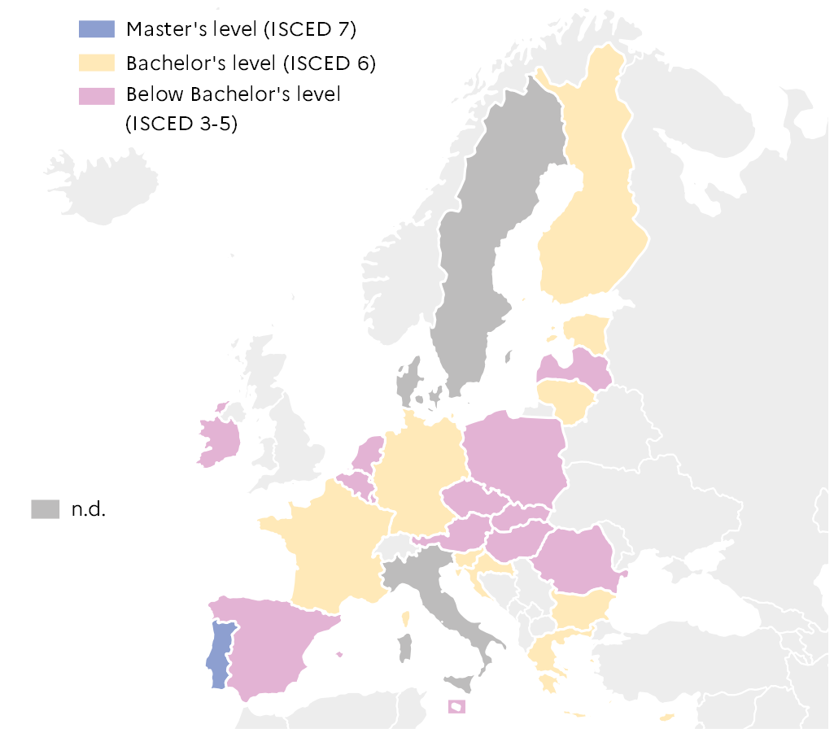
 |  | ISCED level required
 | BE | 3-5
 | BG | 6
 | CZ | 3-5
 | DK | -
 | DE | 6
 | EE | 6
 | IE | 3-5
 | EL | 6
 | ES | 3-5
 | FR | 6
 | HR | 6
 | IT | -
 | CY | 6
 | LV | 3-5
 | LT | 6
 | LU | 3-5
 | HU | 3-5
 | MT | 3-5
 | NL | 3-5
 | AT | 3-5
 | PL | 3-5
 | PT | 7
 | RO | 3-5
 | SI | 6 |  |  | DEPP, Education in Europe: Key figures 2022.
 | SK | 3-5
 | FI | 6
 | SE | -

2.4.4: Minimum qualification level required for core practitioners working with children between age 3 and the starting age of compulsory education (ISCED 02) in centre-based settings, 2018-2019
Eurydice, Key data on Early childhood education and care in Europe 2019

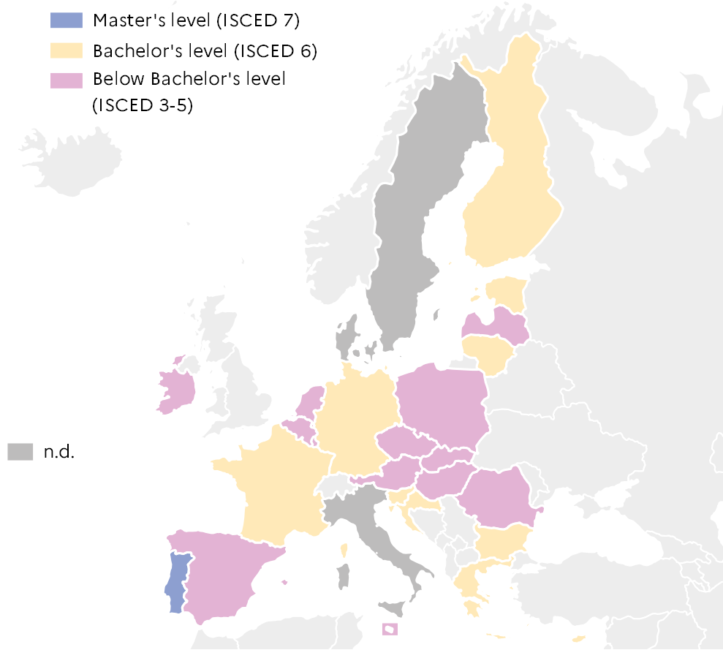
 |  | ISCED level required
 | BE | 6
 | BG | 6
 | CZ | 3-5
 | DK | -
 | DE | 6
 | EE | 6
 | IE | 3-5
 | EL | 6
 | ES | 6
 | FR | 7
 | HR | 6
 | IT | 7
 | CY | 6
 | LV | 3-5
 | LT | 6
 | LU | 6
 | HU | 6
 | MT | 3-5
 | NL | 6
 | AT | 3-5
 | PL | 6
 | PT | 7
 | RO | 3-5
 | SI | 6 |  |  | DEPP, Education in Europe: Key figures 2022.
 | SK | 3-5
 | FI | 6
 | SE | -

